Resources
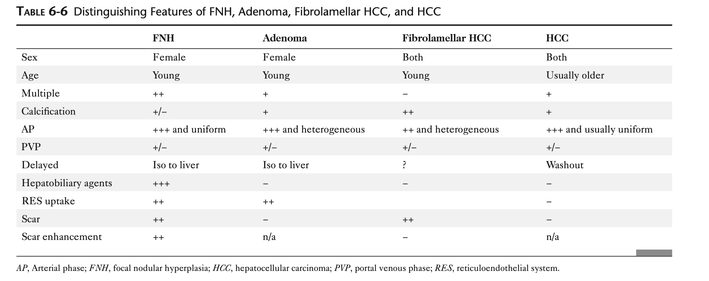

Dysplastic nodules | Isointense to hyperintense | Well differentiated: hypointense | Enhance: hyperintense

 |  | Poorly differentiated: hyperintense

